Project Management
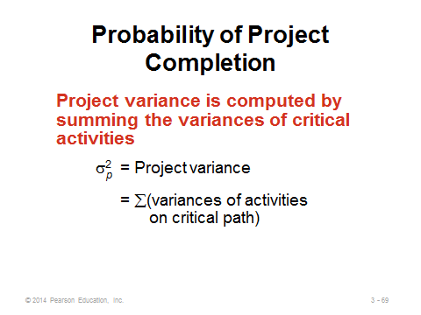
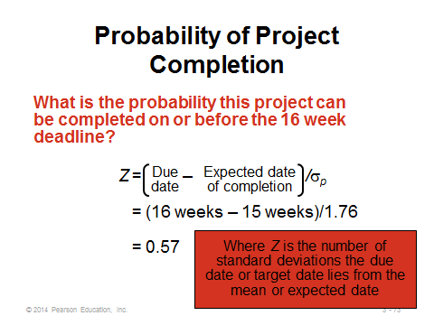
Activity | Mean | Standard Deviation | Variance
A | 6 | 2
B | 9 | 1 | 1
C | 8 | 2
D | 7 | 2 | 4
E | 10 | 3 | 9
F | 12 | 3 | 9

Prove that Activities B, D, E and F are critical; but A and C not critical!

 | Variance of the Project= |  | 23
 | STD of the project (stdp) = |  | 0.75
 | Project Expected Time = |  | 52

 |  |  |  |  |  | check three different ways
 | P(T<40days) = P( (T-meanp)/std < (40-38)/4.80 ) = P(Z <.42)
40 |  |  |  | -15.94 | 0% | 0% | 0%
by the property of Normal distribution
 | P(T>45 days)=1-P(T<=45days)
 | = | 1-P(Z<=(45-38)/4.80 ) = 1- P(Z<=1.46)
45 |  |  |  | -9.30 | 100% | 100% | 100%

Reference: Wayne W.L., 2001, Simulation Modeling, pg 111-119

